001_11xl_2022m10
Cost-of-living index (1951:10=100) by Month and Information
https://pxweb2.stat.fi/PxWeb/pxweb/en/StatFin/StatFin__khi/statfin_khi_pxt_11xl.px/table/tableViewLayout1/
 | Point figure
2011M01 | 1783
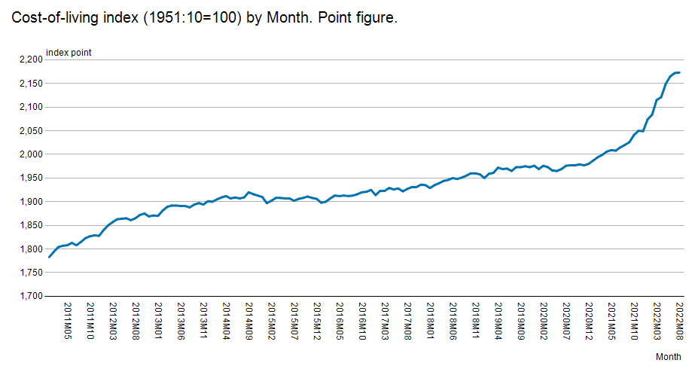
2011M02 | 1794
2011M03 | 1804
2011M04 | 1807
2011M05 | 1808
2011M06 | 1813
2011M07 | 1808
2011M08 | 1815
2011M09 | 1823
2011M10 | 1827
2011M11 | 1829
2011M12 | 1828
2012M01 | 1840
2012M02 | 1850
2012M03 | 1857
2012M04 | 1863
2012M05 | 1864
2012M06 | 1865
2012M07 | 1861
2012M08 | 1865
2012M09 | 1872
2012M10 | 1875
2012M11 | 1869
2012M12 | 1871
2013M01 | 1870
2013M02 | 1881
2013M03 | 1889
2013M04 | 1892
2013M05 | 1892
2013M06 | 1891
2013M07 | 1891
2013M08 | 1888
2013M09 | 1894
2013M10 | 1897
2013M11 | 1894
2013M12 | 1901
2014M01 | 1900
2014M02 | 1905
2014M03 | 1909
2014M04 | 1912
2014M05 | 1907
2014M06 | 1909
2014M07 | 1907
2014M08 | 1909
2014M09 | 1920
2014M10 | 1916
2014M11 | 1913
2014M12 | 1910
2015M01 | 1897
2015M02 | 1902
2015M03 | 1908
2015M04 | 1908
2015M05 | 1907
2015M06 | 1907
2015M07 | 1902
2015M08 | 1906
2015M09 | 1908
2015M10 | 1911
2015M11 | 1908
2015M12 | 1906
2016M01 | 1898
2016M02 | 1900
2016M03 | 1907
2016M04 | 1913
2016M05 | 1912
2016M06 | 1913
2016M07 | 1912
2016M08 | 1913
2016M09 | 1916
2016M10 | 1920
2016M11 | 1921
2016M12 | 1925
2017M01 | 1914
2017M02 | 1923
2017M03 | 1923
2017M04 | 1929
2017M05 | 1926
2017M06 | 1928
2017M07 | 1922
2017M08 | 1927
2017M09 | 1931
2017M10 | 1931
2017M11 | 1936
2017M12 | 1935
2018M01 | 1929
2018M02 | 1935
2018M03 | 1939
2018M04 | 1944
2018M05 | 1946
2018M06 | 1950
2018M07 | 1948
2018M08 | 1951
2018M09 | 1955
2018M10 | 1960
2018M11 | 1960
2018M12 | 1958
2019M01 | 1950
2019M02 | 1959
2019M03 | 1961
2019M04 | 1972
2019M05 | 1969
2019M06 | 1970
2019M07 | 1965
2019M08 | 1973
2019M09 | 1973
2019M10 | 1975
2019M11 | 1973
2019M12 | 1976
2020M01 | 1969
2020M02 | 1976
2020M03 | 1973
2020M04 | 1966
2020M05 | 1965
2020M06 | 1969
2020M07 | 1976
2020M08 | 1977
2020M09 | 1977
2020M10 | 1979
2020M11 | 1977
2020M12 | 1980
2021M01 | 1987
2021M02 | 1994
2021M03 | 1999
2021M04 | 2006
2021M05 | 2009
2021M06 | 2008
2021M07 | 2015
2021M08 | 2020
2021M09 | 2026
2021M10 | 2041
2021M11 | 2050
2021M12 | 2049
2022M01 | 2074
2022M02 | 2084
2022M03 | 2115
2022M04 | 2121
2022M05 | 2149
2022M06 | 2165
2022M07 | 2172
2022M08 | 2173

<A HREF='https://stat.fi/en/statistics/documentation/khi' TARGET=_blank>Documentation of statistics</A>
Information:
Point figure:
Point figure is a change quantity used in price indices, which expresses the price, average price or index of the reference period relative to the price, average price or index of the base period. The point figure of the base period is usually denoted by the number hundred. For example, if the point figure of the commodity is 105.3 in a certain period, it means that the price of the commodity has risen by 5.3 per cent from the base period.

Latest update:
Point figure:
20221114 08:00

Source:
Statistics Finland, consumer price index

Contact:
Point figure:
<A HREF='https://stat.fi/en/statistics/khi' TARGET=_blank>Statistics' homepage</A>

Copyright

Units:
Point figure:
index point

Official statistics

Internal reference code:
001_11xl_2022m10

